Sheet1
Q1 | Q3
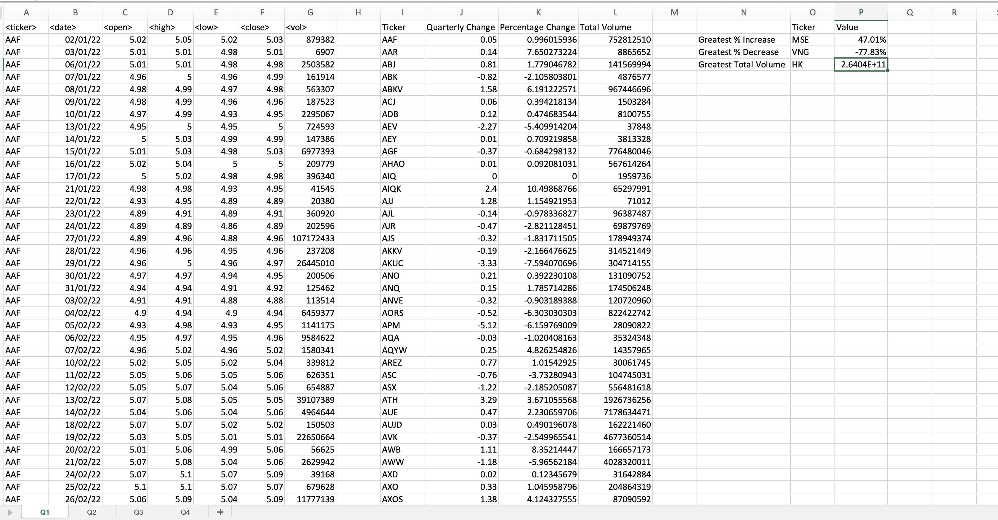
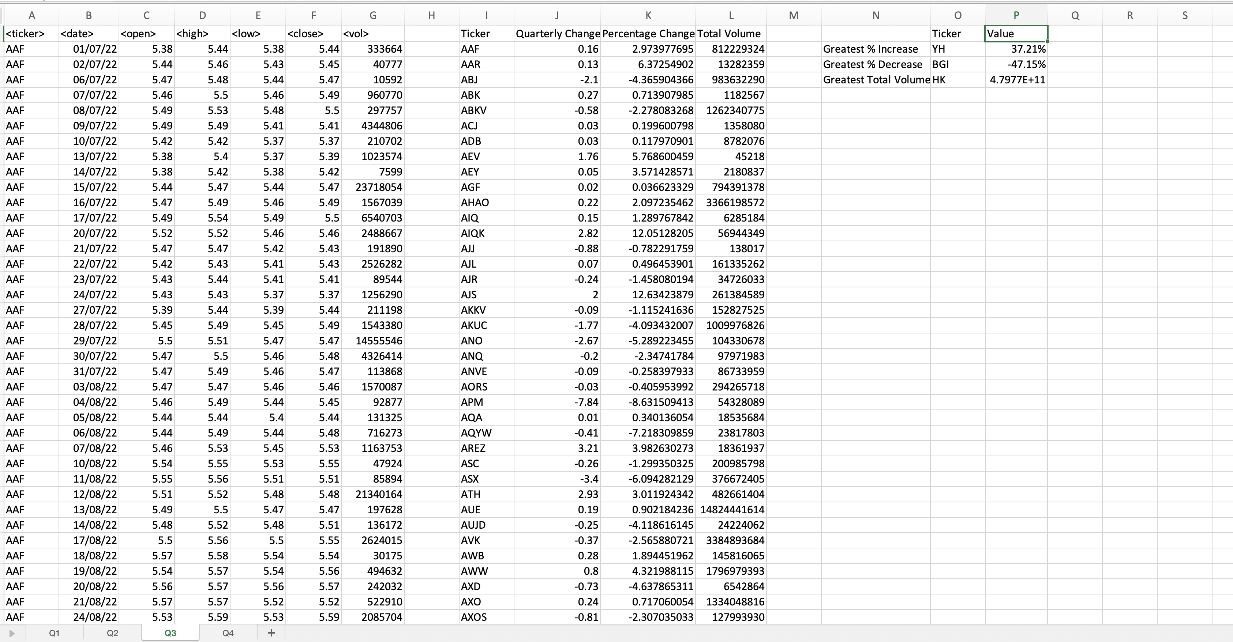

Q2 | Q4
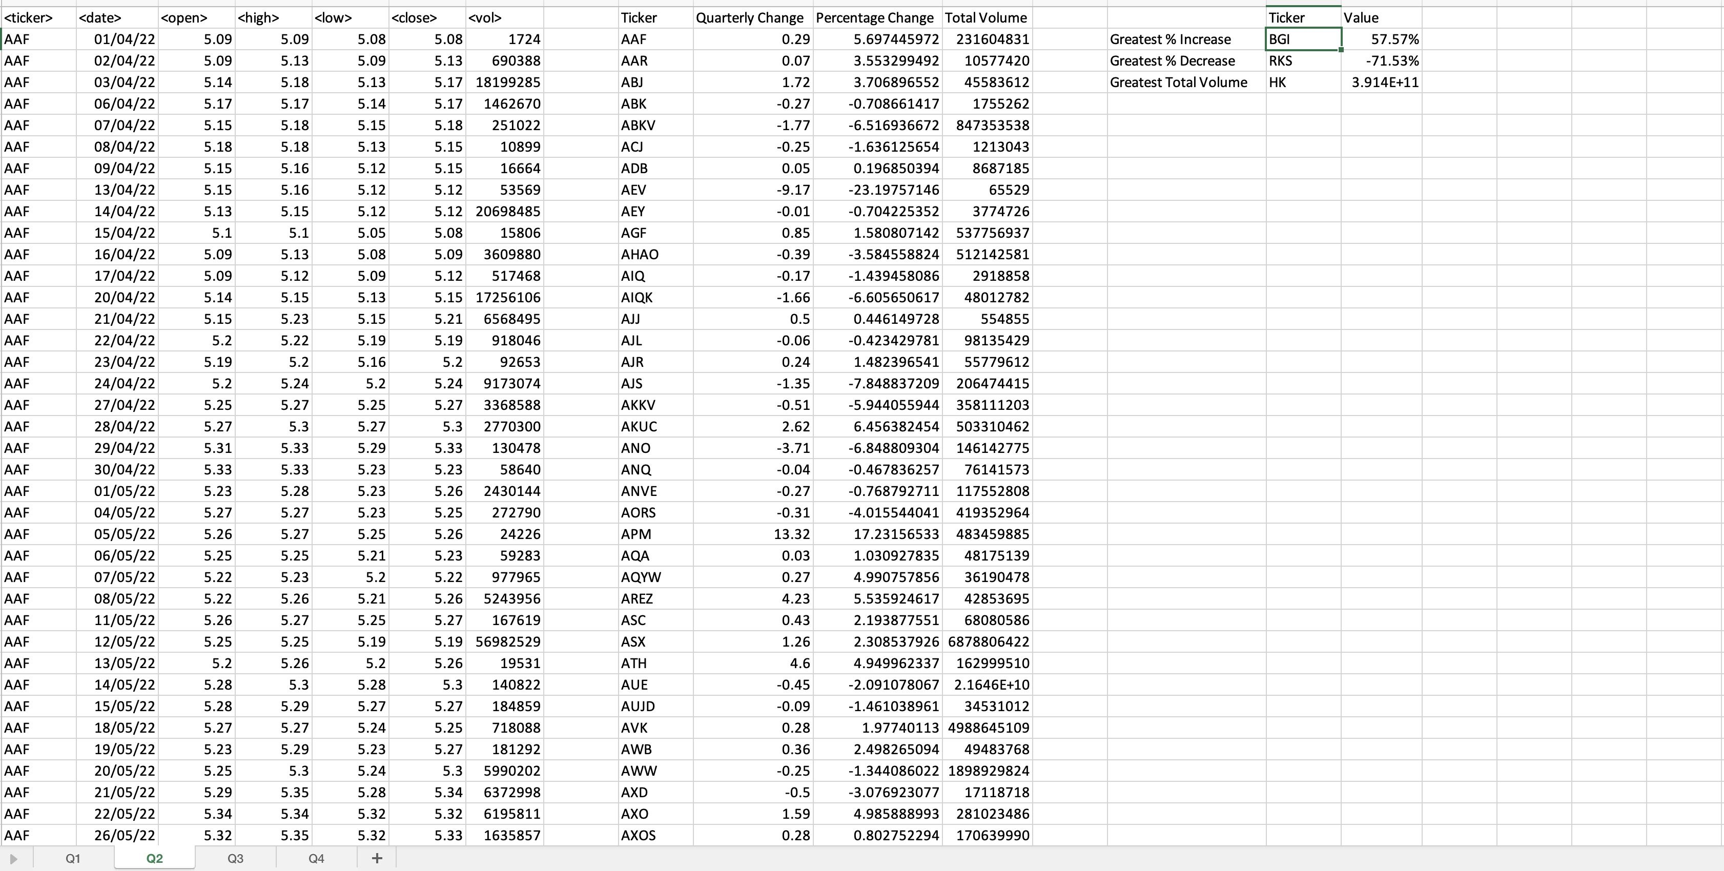
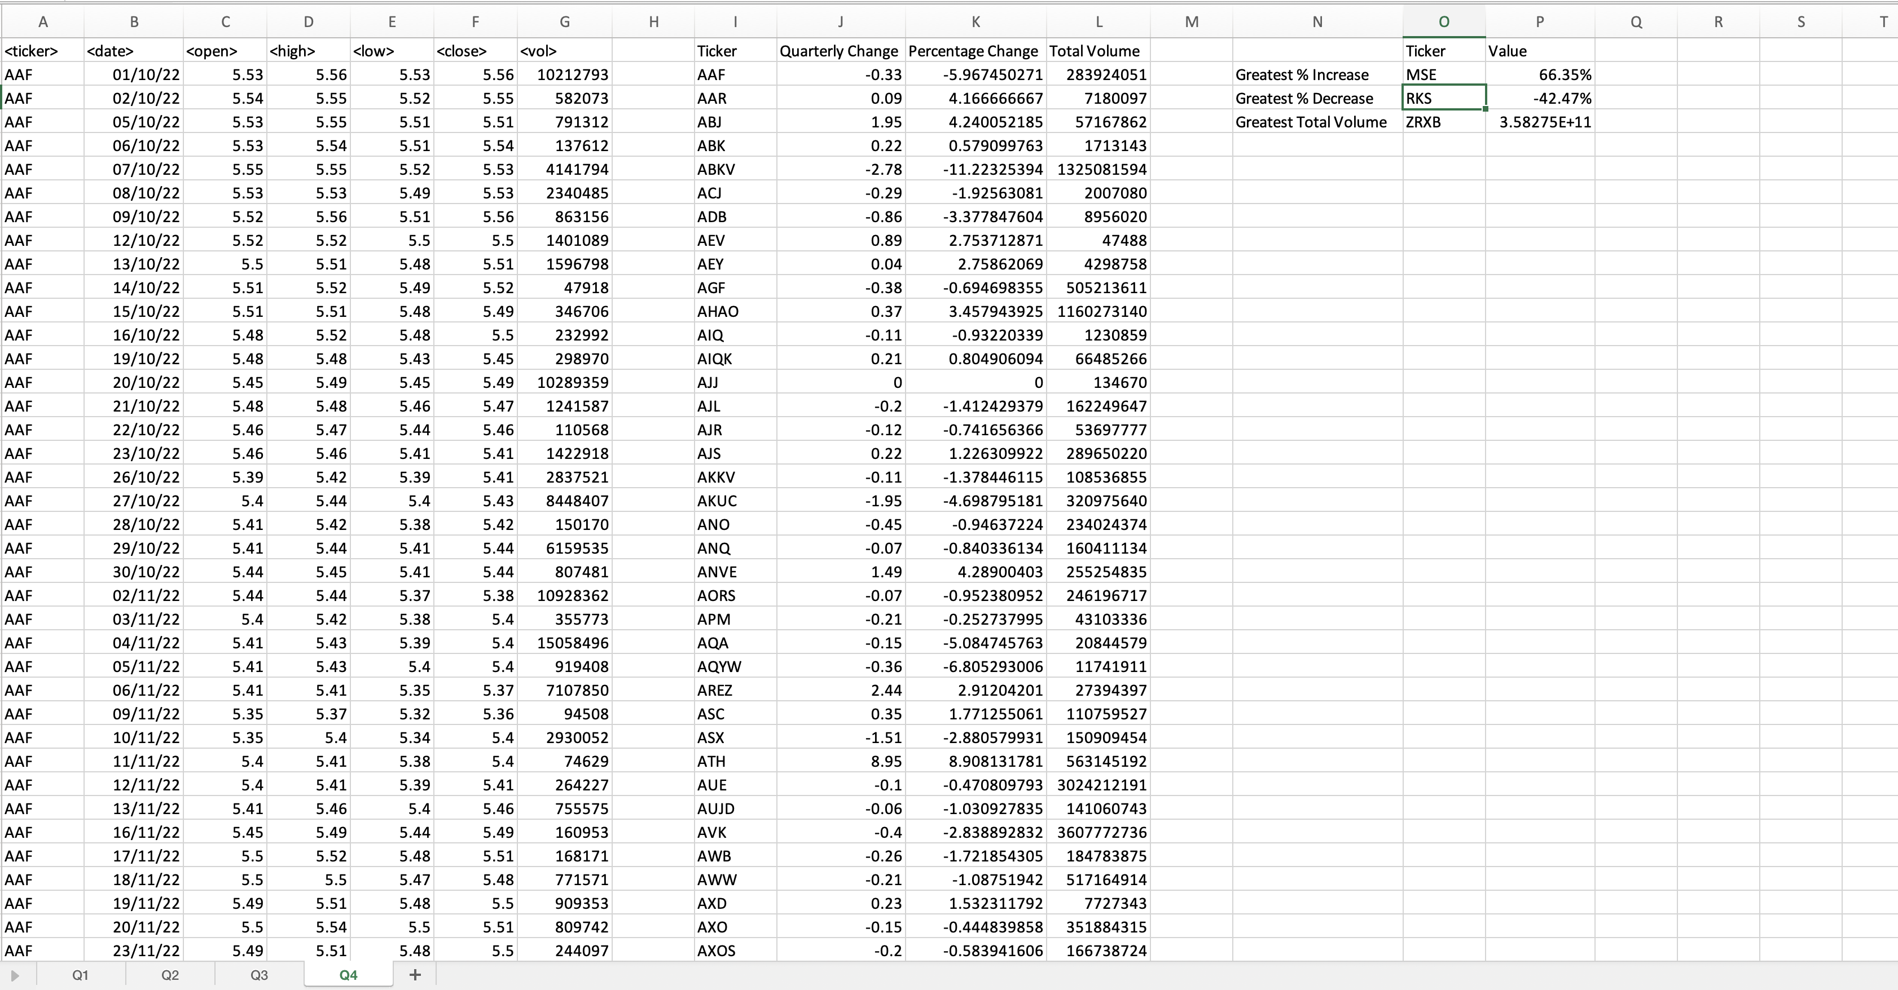

The following VBA script was used to build the screenshots above:

Sub AnalyzeQuarterlyStockData()
Dim ws As Worksheet
Dim ticker As String
Dim lastRow As Long
Dim i As Long
Dim openPrice As Double
Dim closePrice As Double
Dim totalVolume As Double
Dim greatestIncrease As Double
Dim greatestDecrease As Double
Dim maxVolume As Double
Dim greatestIncreaseTicker As String
Dim greatestDecreaseTicker As String
Dim maxVolumeTicker As String
Dim outputRow As Long

' Loop through all worksheets (each representing a quarter)
For Each ws In ThisWorkbook.Worksheets
' Initialize variables for the summary within each sheet
greatestIncrease = -999999
greatestDecrease = 999999
maxVolume = 0

lastRow = ws.Cells(ws.Rows.Count, "A").End(xlUp).Row

' Create headers for output in the same sheet
ws.Cells(1, 9).Value = "Ticker"
ws.Cells(1, 10).Value = "Quarterly Change"
ws.Cells(1, 11).Value = "Percentage Change"
ws.Cells(1, 12).Value = "Total Volume"

outputRow = 2

' Loop through all stocks in the current worksheet
i = 2
Do While i <= lastRow
ticker = ws.Cells(i, 1).Value
openPrice = ws.Cells(i, 3).Value
totalVolume = 0

Dim quarterStartDate As Date
Dim quarterEndDate As Date
quarterStartDate = ws.Cells(i, 2).Value

' Loop through each day within the current stock to accumulate data
Do While i <= lastRow And ws.Cells(i, 1).Value = ticker
totalVolume = totalVolume + ws.Cells(i, 7).Value
quarterEndDate = ws.Cells(i, 2).Value
closePrice = ws.Cells(i, 6).Value

' Move to the next row
i = i + 1
Loop

' Calculate the quarterly change and percentage change
Dim quarterlyChange As Double
Dim percentageChange As Double

quarterlyChange = closePrice - openPrice
percentageChange = (quarterlyChange / openPrice) * 100

' Output results to the current sheet
ws.Cells(outputRow, 9).Value = ticker
ws.Cells(outputRow, 10).Value = quarterlyChange
ws.Cells(outputRow, 11).Value = percentageChange
ws.Cells(outputRow, 12).Value = totalVolume

' Determine greatest percentage increase, decrease, and maximum volume
If percentageChange > greatestIncrease Then
greatestIncrease = percentageChange
greatestIncreaseTicker = ticker
End If

If percentageChange < greatestDecrease Then
greatestDecrease = percentageChange
greatestDecreaseTicker = ticker
End If

If totalVolume > maxVolume Then
maxVolume = totalVolume
maxVolumeTicker = ticker
End If

' Move to the next output row
outputRow = outputRow + 1
Loop

' Output the greatest values to the current sheet
ws.Cells(2, 14).Value = "Greatest % Increase"
ws.Cells(2, 15).Value = greatestIncreaseTicker
ws.Cells(2, 16).Value = greatestIncrease & "%"

ws.Cells(3, 14).Value = "Greatest % Decrease"
ws.Cells(3, 15).Value = greatestDecreaseTicker
ws.Cells(3, 16).Value = greatestDecrease & "%"

ws.Cells(4, 14).Value = "Greatest Total Volume"
ws.Cells(4, 15).Value = maxVolumeTicker
ws.Cells(4, 16).Value = maxVolume
Next ws

MsgBox "Quarterly stock analysis complete. Check each sheet for results."
End Sub

